sort solution
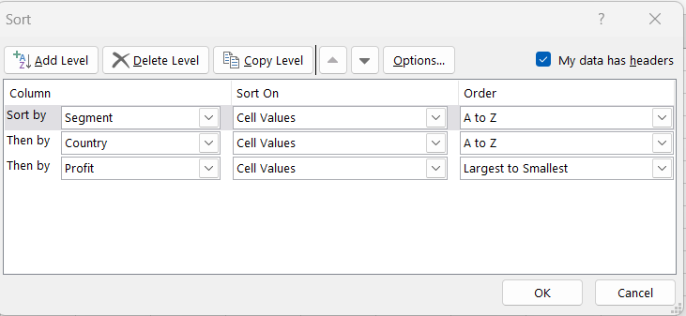
 |  |  |  |  | Solution 1:
ID | Date | Segment | Country | Profit
3127 | 2021-12-01 | Channel Partners | Canada | 232472
405 | 2021-12-01 | Channel Partners | Canada | 219249
1727 | 2021-04-01 | Channel Partners | Canada | 196137
346 | 2021-05-01 | Channel Partners | Canada | 166490
1746 | 2021-01-01 | Channel Partners | Canada | 60394
526 | 2021-08-01 | Channel Partners | Canada | 55010
695 | 2021-06-01 | Channel Partners | Canada | 17043
3331 | 2021-06-01 | Channel Partners | Canada | -14202
1121 | 2021-05-01 | Channel Partners | France | 258583
2466 | 2021-09-01 | Channel Partners | France | 258051
1823 | 2021-05-01 | Channel Partners | France | 223042
1053 | 2021-11-01 | Channel Partners | France | 211082
3189 | 2021-11-01 | Channel Partners | France | 195638
1783 | 2021-12-01 | Channel Partners | France | 112636
2577 | 2021-04-01 | Channel Partners | France | 89649 | Solution 2:
423 | 2021-08-01 | Channel Partners | France | 87532
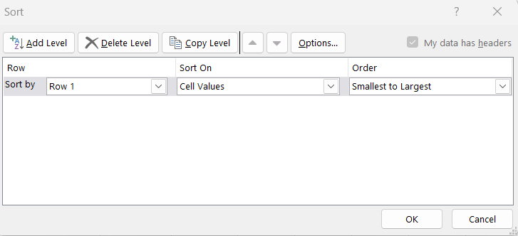
329 | 2021-09-01 | Channel Partners | France | 60921
2715 | 2021-11-01 | Channel Partners | France | 39271
3224 | 2021-01-01 | Channel Partners | Germany | 256329
1706 | 2021-04-01 | Channel Partners | Germany | 247904
3307 | 2021-06-01 | Channel Partners | Germany | 223894
2475 | 2021-03-01 | Channel Partners | Germany | 114470
688 | 2021-03-01 | Channel Partners | Germany | 87460
2001 | 2021-02-01 | Channel Partners | Germany | 74022
1989 | 2021-04-01 | Channel Partners | Germany | 61230
3106 | 2021-11-01 | Channel Partners | Germany | 55433
451 | 2021-09-01 | Channel Partners | Mexico | 242254
1788 | 2021-05-01 | Channel Partners | Mexico | 232025
1244 | 2021-07-01 | Channel Partners | Mexico | 219148
2716 | 2021-09-01 | Channel Partners | Mexico | 208038
3305 | 2021-03-01 | Channel Partners | Mexico | 155535
686 | 2021-10-01 | Channel Partners | Mexico | 18670
3469 | 2021-07-01 | Channel Partners | United States of America | 252080
1722 | 2021-04-01 | Channel Partners | United States of America | 201120
3265 | 2021-02-01 | Channel Partners | United States of America | 192728
2100 | 2021-04-01 | Channel Partners | United States of America | 189847
1022 | 2021-07-01 | Channel Partners | United States of America | 152936
568 | 2021-12-01 | Channel Partners | United States of America | 142874
1024 | 2021-08-01 | Channel Partners | United States of America | 124717
3379 | 2021-09-01 | Channel Partners | United States of America | 74093
3122 | 2021-07-01 | Channel Partners | United States of America | 59920
1048 | 2021-01-01 | Channel Partners | United States of America | 41318
1782 | 2021-03-01 | Channel Partners | United States of America | 30219
1743 | 2021-01-01 | Channel Partners | United States of America | 6345
3295 | 2021-11-01 | Enterprise | Canada | 161110
3108 | 2021-07-01 | Enterprise | Canada | 104422
1045 | 2021-08-01 | Enterprise | Canada | 99343
3145 | 2021-01-01 | Enterprise | Canada | 40778
3423 | 2021-06-01 | Enterprise | Canada | 34080
1809 | 2021-07-01 | Enterprise | Canada | 23560
2739 | 2021-10-01 | Enterprise | France | 236531
2744 | 2021-12-01 | Enterprise | France | 210352
342 | 2021-01-01 | Enterprise | France | 180969
2044 | 2021-05-01 | Enterprise | France | 164464
1210 | 2021-08-01 | Enterprise | France | 109849
2439 | 2021-12-01 | Enterprise | France | 71529
1377 | 2021-05-01 | Enterprise | France | 57755
2580 | 2021-04-01 | Enterprise | France | 42319
1332 | 2021-07-01 | Enterprise | France | 26819
2670 | 2021-12-01 | Enterprise | France | 12709
1353 | 2021-09-01 | Enterprise | Germany | 220591
1107 | 2021-03-01 | Enterprise | Germany | 126174
2009 | 2021-05-01 | Enterprise | Germany | 124153
1329 | 2021-07-01 | Enterprise | Germany | 36547
2423 | 2021-08-01 | Enterprise | Germany | 23010
1398 | 2021-08-01 | Enterprise | Germany | 19002
3498 | 2021-08-01 | Enterprise | Germany | 7269
659 | 2021-04-01 | Enterprise | Mexico | 173199
2455 | 2021-02-01 | Enterprise | Mexico | 157993
1256 | 2021-06-01 | Enterprise | Mexico | 91931
636 | 2021-08-01 | Enterprise | Mexico | 86220
3399 | 2021-08-01 | Enterprise | Mexico | 75634
2654 | 2021-02-01 | Enterprise | Mexico | 27849
1307 | 2021-02-01 | Enterprise | Mexico | 13845
2621 | 2021-05-01 | Enterprise | Mexico | 1696
1037 | 2021-12-01 | Enterprise | United States of America | 198140
3443 | 2021-03-01 | Enterprise | United States of America | 75969
3138 | 2021-11-01 | Enterprise | United States of America | 28110
2916 | 2021-04-01 | Government | Canada | 244904
2136 | 2021-05-01 | Government | Canada | 240648
870 | 2021-11-01 | Government | Canada | 222162
1615 | 2021-08-01 | Government | Canada | 217962
3027 | 2021-06-01 | Government | Canada | 213069
280 | 2021-02-01 | Government | Canada | 180474
1624 | 2021-05-01 | Government | Canada | 166824
2925 | 2021-07-01 | Government | Canada | 159745
1488 | 2021-02-01 | Government | Canada | 155266
1675 | 2021-04-01 | Government | Canada | 137705
1415 | 2021-12-01 | Government | Canada | 135311
805 | 2021-02-01 | Government | Canada | 134977
1525 | 2021-02-01 | Government | Canada | 105602
739 | 2021-11-01 | Government | Canada | 86186
1653 | 2021-07-01 | Government | Canada | 64755
2839 | 2021-11-01 | Government | Canada | 63494
819 | 2021-05-01 | Government | Canada | 59423
3080 | 2021-09-01 | Government | Canada | 55991
3050 | 2021-03-01 | Government | Canada | 51626
88 | 2021-01-01 | Government | Canada | 36125
825 | 2021-06-01 | Government | Canada | 32352
950 | 2021-06-01 | Government | Canada | 27137
1505 | 2021-10-01 | Government | Canada | 24838
2352 | 2021-06-01 | Government | Canada | 17150
949 | 2021-12-01 | Government | Canada | 8406
952 | 2021-07-01 | Government | Canada | 7819
979 | 2021-06-01 | Government | France | 234786
2207 | 2021-02-01 | Government | France | 210276
128 | 2021-12-01 | Government | France | 201069
1686 | 2021-07-01 | Government | France | 173616
1540 | 2021-06-01 | Government | France | 165992
27 | 2021-10-01 | Government | France | 165656
2811 | 2021-01-01 | Government | France | 151301
733 | 2021-11-01 | Government | France | 146394
1537 | 2021-01-01 | Government | France | 142596
796 | 2021-06-01 | Government | France | 137843
46 | 2021-09-01 | Government | France | 135801
3085 | 2021-02-01 | Government | France | 134107
1429 | 2021-06-01 | Government | France | 115261
803 | 2021-07-01 | Government | France | 96209
2896 | 2021-07-01 | Government | France | 89802
2214 | 2021-02-01 | Government | France | 86142
706 | 2021-01-01 | Government | France | 48442
1572 | 2021-07-01 | Government | France | 44394
1636 | 2021-04-01 | Government | France | 35096
3094 | 2021-01-01 | Government | France | 28289
33 | 2021-03-01 | Government | France | 25467
2897 | 2021-08-01 | Government | France | 23250
1446 | 2021-12-01 | Government | France | 9682
2972 | 2021-08-01 | Government | France | 7382
3036 | 2021-06-01 | Government | France | 7190
864 | 2021-06-01 | Government | France | 7110
72 | 2021-06-01 | Government | Germany | 247286
1668 | 2021-01-01 | Government | Germany | 210209
3051 | 2021-09-01 | Government | Germany | 200584
184 | 2021-12-01 | Government | Germany | 169991
1688 | 2021-02-01 | Government | Germany | 168122
2821 | 2021-01-01 | Government | Germany | 161532
738 | 2021-12-01 | Government | Germany | 158679
165 | 2021-06-01 | Government | Germany | 155904
1691 | 2021-12-01 | Government | Germany | 151084
3088 | 2021-10-01 | Government | Germany | 104379
2301 | 2021-01-01 | Government | Germany | 95623
2245 | 2021-07-01 | Government | Germany | 86843
1471 | 2021-12-01 | Government | Germany | 81048
2816 | 2021-11-01 | Government | Germany | 74813
115 | 2021-05-01 | Government | Germany | 72086
1583 | 2021-02-01 | Government | Germany | 56810
1489 | 2021-05-01 | Government | Germany | 24879
38 | 2021-03-01 | Government | Germany | 16452
1667 | 2021-05-01 | Government | Germany | 8950
926 | 2021-06-01 | Government | Germany | 6105
2259 | 2021-12-01 | Government | Germany | -21877
867 | 2021-06-01 | Government | Mexico | 259896
3059 | 2021-07-01 | Government | Mexico | 235104
893 | 2021-02-01 | Government | Mexico | 230726
1434 | 2021-04-01 | Government | Mexico | 220171
1574 | 2021-09-01 | Government | Mexico | 217075
1413 | 2021-09-01 | Government | Mexico | 209590
2239 | 2021-04-01 | Government | Mexico | 203878
2958 | 2021-02-01 | Government | Mexico | 194150
1674 | 2021-08-01 | Government | Mexico | 191733
777 | 2021-06-01 | Government | Mexico | 190517
1590 | 2021-10-01 | Government | Mexico | 169915
858 | 2021-03-01 | Government | Mexico | 150851
2369 | 2021-07-01 | Government | Mexico | 138473
780 | 2021-08-01 | Government | Mexico | 131983
8 | 2021-06-01 | Government | Mexico | 108879
1553 | 2021-10-01 | Government | Mexico | 86460
977 | 2021-05-01 | Government | Mexico | 82968
2176 | 2021-04-01 | Government | Mexico | 73163
3099 | 2021-06-01 | Government | Mexico | 65162
221 | 2021-11-01 | Government | Mexico | 39668
930 | 2021-03-01 | Government | Mexico | 34334
3093 | 2021-10-01 | Government | Mexico | 22810
1567 | 2021-02-01 | Government | Mexico | 22003
842 | 2021-08-01 | Government | Mexico | 19225
2852 | 2021-12-01 | Government | Mexico | 9630
2847 | 2021-11-01 | Government | Mexico | 8463
874 | 2021-10-01 | Government | Mexico | 5652
174 | 2021-10-01 | Government | Mexico | -37886
2881 | 2021-09-01 | Government | United States of America | 261354
983 | 2021-10-01 | Government | United States of America | 249705
2318 | 2021-12-01 | Government | United States of America | 244284
1683 | 2021-09-01 | Government | United States of America | 242971
973 | 2021-07-01 | Government | United States of America | 229218
3018 | 2021-11-01 | Government | United States of America | 223295
1526 | 2021-04-01 | Government | United States of America | 214102
211 | 2021-11-01 | Government | United States of America | 207031
963 | 2021-09-01 | Government | United States of America | 193691
84 | 2021-04-01 | Government | United States of America | 191293
728 | 2021-04-01 | Government | United States of America | 175220
891 | 2021-02-01 | Government | United States of America | 173392
911 | 2021-06-01 | Government | United States of America | 161165
2899 | 2021-11-01 | Government | United States of America | 156072
894 | 2021-10-01 | Government | United States of America | 154630
2862 | 2021-10-01 | Government | United States of America | 139432
1547 | 2021-12-01 | Government | United States of America | 129328
111 | 2021-01-01 | Government | United States of America | 123287
2333 | 2021-07-01 | Government | United States of America | 103592
127 | 2021-10-01 | Government | United States of America | 84660
2376 | 2021-04-01 | Government | United States of America | 81846
131 | 2021-12-01 | Government | United States of America | 74221
2184 | 2021-08-01 | Government | United States of America | 67090
2910 | 2021-07-01 | Government | United States of America | 52513
1531 | 2021-09-01 | Government | United States of America | 27327
3013 | 2021-05-01 | Government | United States of America | 26172
2913 | 2021-01-01 | Government | United States of America | 25860
2187 | 2021-09-01 | Government | United States of America | 13179
2390 | 2021-08-01 | Government | United States of America | 10877
2933 | 2021-01-01 | Government | United States of America | 6256
748 | 2021-07-01 | Government | United States of America | 5850
282 | 2021-01-01 | Government | United States of America | -7921
762 | 2021-06-01 | Government | United States of America | -15140
113 | 2021-07-01 | Government | United States of America | -34980
2642 | 2021-02-01 | Midmarket | Canada | 252387
1396 | 2021-08-01 | Midmarket | Canada | 229197
2033 | 2021-10-01 | Midmarket | Canada | 225220
1253 | 2021-02-01 | Midmarket | Canada | 187979
2655 | 2021-04-01 | Midmarket | Canada | 173334
594 | 2021-12-01 | Midmarket | Canada | 47888
3394 | 2021-11-01 | Midmarket | Canada | 40179
413 | 2021-07-01 | Midmarket | Canada | 36046
1903 | 2021-12-01 | Midmarket | Canada | 22305
403 | 2021-07-01 | Midmarket | Canada | 12909
2478 | 2021-02-01 | Midmarket | Canada | 8721
1839 | 2021-06-01 | Midmarket | France | 254580
1227 | 2021-10-01 | Midmarket | France | 231047
3471 | 2021-07-01 | Midmarket | France | 176652
2539 | 2021-06-01 | Midmarket | France | 159478
1200 | 2021-09-01 | Midmarket | France | 147727
1342 | 2021-06-01 | Midmarket | France | 139728
2742 | 2021-10-01 | Midmarket | France | 128249
2754 | 2021-03-01 | Midmarket | France | 117440
3119 | 2021-12-01 | Midmarket | France | 100956
1719 | 2021-06-01 | Midmarket | France | 95791
3442 | 2021-10-01 | Midmarket | France | 86076
482 | 2021-07-01 | Midmarket | France | 57399
3454 | 2021-04-01 | Midmarket | France | 51383
1019 | 2021-11-01 | Midmarket | France | 25301
3294 | 2021-02-01 | Midmarket | France | 11682
1975 | 2021-04-01 | Midmarket | France | 259
1774 | 2021-01-01 | Midmarket | Germany | 208053
302 | 2021-01-01 | Midmarket | Germany | 193122
1324 | 2021-11-01 | Midmarket | Germany | 188860
2099 | 2021-04-01 | Midmarket | Germany | 145328
3120 | 2021-04-01 | Midmarket | Germany | 135272
2749 | 2021-03-01 | Midmarket | Germany | 133951
2511 | 2021-05-01 | Midmarket | Germany | 53266
2000 | 2021-03-01 | Midmarket | Germany | 29435
1004 | 2021-08-01 | Midmarket | Germany | 22746
3250 | 2021-11-01 | Midmarket | Germany | 20238
2474 | 2021-01-01 | Midmarket | Germany | 6460
1776 | 2021-04-01 | Midmarket | Mexico | 216555
1269 | 2021-09-01 | Midmarket | Mexico | 213879
3103 | 2021-03-01 | Midmarket | Mexico | 201340
2407 | 2021-08-01 | Midmarket | Mexico | 155980
1084 | 2021-12-01 | Midmarket | Mexico | 130275
2619 | 2021-08-01 | Midmarket | Mexico | 78549
1191 | 2021-02-01 | Midmarket | Mexico | 33850
3312 | 2021-04-01 | Midmarket | Mexico | 22839
2561 | 2021-02-01 | Midmarket | Mexico | 15238
2735 | 2021-07-01 | Midmarket | Mexico | 12894
1912 | 2021-02-01 | Midmarket | Mexico | 5187
1355 | 2021-06-01 | Midmarket | United States of America | 216695
3125 | 2021-10-01 | Midmarket | United States of America | 163127
3333 | 2021-09-01 | Midmarket | United States of America | 98246
325 | 2021-10-01 | Midmarket | United States of America | 93656
1011 | 2021-08-01 | Midmarket | United States of America | 85536
2486 | 2021-12-01 | Midmarket | United States of America | 54633
1296 | 2021-01-01 | Midmarket | United States of America | 1661
3450 | 2021-07-01 | Midmarket | United States of America | -39689
2778 | 2021-09-01 | Small Business | Canada | 256402
3173 | 2021-08-01 | Small Business | Canada | 216458
3361 | 2021-05-01 | Small Business | Canada | 111998
1964 | 2021-01-01 | Small Business | Canada | 100486
1115 | 2021-03-01 | Small Business | Canada | 48808
3412 | 2021-02-01 | Small Business | Canada | -11610
1829 | 2021-07-01 | Small Business | France | 185869
441 | 2021-12-01 | Small Business | France | 82089
1833 | 2021-04-01 | Small Business | France | 73394
1112 | 2021-10-01 | Small Business | France | 13328
2601 | 2021-05-01 | Small Business | France | 1519
2479 | 2021-09-01 | Small Business | Germany | 160752
1079 | 2021-03-01 | Small Business | Germany | 132363
2458 | 2021-07-01 | Small Business | Germany | 121986
1381 | 2021-08-01 | Small Business | Germany | 102572
3179 | 2021-03-01 | Small Business | Germany | 39973
681 | 2021-08-01 | Small Business | Germany | 17711
2705 | 2021-03-01 | Small Business | Germany | 6845
2480 | 2021-12-01 | Small Business | Germany | 1365
492 | 2021-01-01 | Small Business | Mexico | 244677
3440 | 2021-05-01 | Small Business | Mexico | 239368
3252 | 2021-07-01 | Small Business | Mexico | 226327
3159 | 2021-01-01 | Small Business | Mexico | 219774
591 | 2021-12-01 | Small Business | Mexico | 166353
309 | 2021-08-01 | Small Business | Mexico | 149617
2495 | 2021-06-01 | Small Business | Mexico | 130437
2549 | 2021-06-01 | Small Business | Mexico | 96983
2441 | 2021-10-01 | Small Business | Mexico | 39494
1709 | 2021-02-01 | Small Business | Mexico | 33876
640 | 2021-04-01 | Small Business | Mexico | 27542
3249 | 2021-06-01 | Small Business | Mexico | 11238
1285 | 2021-02-01 | Small Business | Mexico | 7298
1868 | 2021-01-01 | Small Business | United States of America | 248756
3268 | 2021-10-01 | Small Business | United States of America | 245470
2657 | 2021-04-01 | Small Business | United States of America | 221658
1848 | 2021-10-01 | Small Business | United States of America | 175018
1091 | 2021-10-01 | Small Business | United States of America | 174302
1260 | 2021-12-01 | Small Business | United States of America | 152076
3479 | 2021-05-01 | Small Business | United States of America | 125616
2537 | 2021-08-01 | Small Business | United States of America | 110965
1331 | 2021-12-01 | Small Business | United States of America | 60882
3287 | 2021-09-01 | Small Business | United States of America | 12156
1070 | 2021-01-01 | Small Business | United States of America | 8675

Country
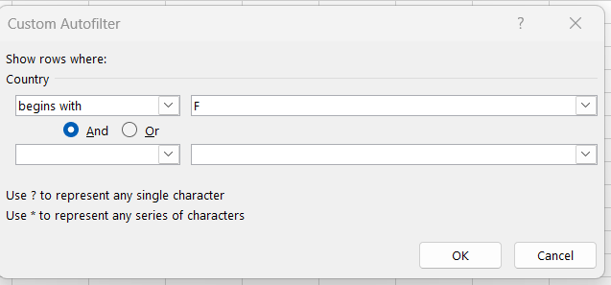
ID | Segment | Country | Date | Profit
2 | Government | France | 2021-10-01 | 165656
3 | Government | France | 2021-03-01 | 25467
5 | Government | France | 2021-09-01 | 135801
13 | Government | France | 2021-12-01 | 201069
25 | Channel Partners | France | 2021-09-01 | 60921
26 | Enterprise | France | 2021-01-01 | 180969
31 | Channel Partners | France | 2021-08-01 | 87532
32 | Small Business | France | 2021-12-01 | 82089
34 | Midmarket | France | 2021-07-01 | 57399
47 | Government | France | 2021-01-01 | 48442
49 | Government | France | 2021-11-01 | 146394
56 | Government | France | 2021-06-01 | 137843
57 | Government | France | 2021-07-01 | 96209
63 | Government | France | 2021-06-01 | 7110
79 | Government | France | 2021-06-01 | 234786
83 | Midmarket | France | 2021-11-01 | 25301
89 | Channel Partners | France | 2021-11-01 | 211082
95 | Small Business | France | 2021-10-01 | 13328
97 | Channel Partners | France | 2021-05-01 | 258583
99 | Midmarket | France | 2021-09-01 | 147727
100 | Enterprise | France | 2021-08-01 | 109849
101 | Midmarket | France | 2021-10-01 | 231047
113 | Enterprise | France | 2021-07-01 | 26819
114 | Midmarket | France | 2021-06-01 | 139728
117 | Enterprise | France | 2021-05-01 | 57755
123 | Government | France | 2021-06-01 | 115261
125 | Government | France | 2021-12-01 | 9682
133 | Government | France | 2021-01-01 | 142596
134 | Government | France | 2021-06-01 | 165992
138 | Government | France | 2021-07-01 | 44394
144 | Government | France | 2021-04-01 | 35096
151 | Government | France | 2021-07-01 | 173616
156 | Midmarket | France | 2021-06-01 | 95791
164 | Channel Partners | France | 2021-12-01 | 112636
167 | Channel Partners | France | 2021-05-01 | 223042
168 | Small Business | France | 2021-07-01 | 185869
169 | Small Business | France | 2021-04-01 | 73394
170 | Midmarket | France | 2021-06-01 | 254580
176 | Midmarket | France | 2021-04-01 | 259
182 | Enterprise | France | 2021-05-01 | 164464
189 | Government | France | 2021-02-01 | 210276
190 | Government | France | 2021-02-01 | 86142
203 | Enterprise | France | 2021-12-01 | 71529
207 | Channel Partners | France | 2021-09-01 | 258051
217 | Midmarket | France | 2021-06-01 | 159478
220 | Channel Partners | France | 2021-04-01 | 89649
221 | Enterprise | France | 2021-04-01 | 42319
222 | Small Business | France | 2021-05-01 | 1519
229 | Enterprise | France | 2021-12-01 | 12709
231 | Channel Partners | France | 2021-11-01 | 39271
234 | Enterprise | France | 2021-10-01 | 236531
235 | Midmarket | France | 2021-10-01 | 128249
236 | Enterprise | France | 2021-12-01 | 210352
238 | Midmarket | France | 2021-03-01 | 117440
240 | Government | France | 2021-01-01 | 151301
248 | Government | France | 2021-07-01 | 89802
249 | Government | France | 2021-08-01 | 23250
257 | Government | France | 2021-08-01 | 7382
261 | Government | France | 2021-06-01 | 7190
266 | Government | France | 2021-02-01 | 134107
269 | Government | France | 2021-01-01 | 28289
274 | Midmarket | France | 2021-12-01 | 100956
284 | Channel Partners | France | 2021-11-01 | 195638
292 | Midmarket | France | 2021-02-01 | 11682
306 | Midmarket | France | 2021-10-01 | 86076
309 | Midmarket | France | 2021-04-01 | 51383
311 | Midmarket | France | 2021-07-01 | 176652

Quarter
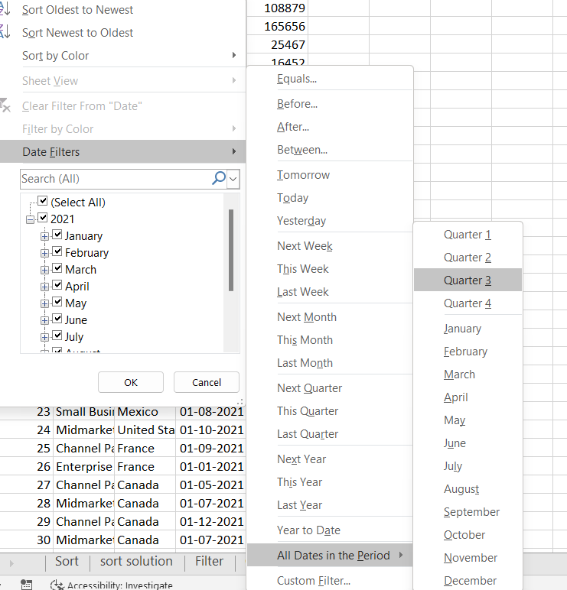
ID | Segment | Country | Date | Profit
5 | Government | France | 2021-09-01 | 135801
10 | Government | United States of America | 2021-07-01 | -34980
23 | Small Business | Mexico | 2021-08-01 | 149617
25 | Channel Partners | France | 2021-09-01 | 60921
28 | Midmarket | Canada | 2021-07-01 | 12909
30 | Midmarket | Canada | 2021-07-01 | 36046
31 | Channel Partners | France | 2021-08-01 | 87532
33 | Channel Partners | Mexico | 2021-09-01 | 242254
34 | Midmarket | France | 2021-07-01 | 57399
36 | Channel Partners | Canada | 2021-08-01 | 55010
40 | Enterprise | Mexico | 2021-08-01 | 86220
43 | Small Business | Germany | 2021-08-01 | 17711
52 | Government | United States of America | 2021-07-01 | 5850
55 | Government | Mexico | 2021-08-01 | 131983
57 | Government | France | 2021-07-01 | 96209
61 | Government | Mexico | 2021-08-01 | 19225
75 | Government | Canada | 2021-07-01 | 7819
76 | Government | United States of America | 2021-09-01 | 193691
77 | Government | United States of America | 2021-07-01 | 229218
81 | Midmarket | Germany | 2021-08-01 | 22746
82 | Midmarket | United States of America | 2021-08-01 | 85536
84 | Channel Partners | United States of America | 2021-07-01 | 152936
85 | Channel Partners | United States of America | 2021-08-01 | 124717
87 | Enterprise | Canada | 2021-08-01 | 99343
99 | Midmarket | France | 2021-09-01 | 147727
100 | Enterprise | France | 2021-08-01 | 109849
102 | Channel Partners | Mexico | 2021-07-01 | 219148
106 | Midmarket | Mexico | 2021-09-01 | 213879
111 | Enterprise | Germany | 2021-07-01 | 36547
113 | Enterprise | France | 2021-07-01 | 26819
115 | Enterprise | Germany | 2021-09-01 | 220591
118 | Small Business | Germany | 2021-08-01 | 102572
119 | Midmarket | Canada | 2021-08-01 | 229197
120 | Enterprise | Germany | 2021-08-01 | 19002
121 | Government | Mexico | 2021-09-01 | 209590
132 | Government | United States of America | 2021-09-01 | 27327
138 | Government | France | 2021-07-01 | 44394
139 | Government | Mexico | 2021-09-01 | 217075
142 | Government | Canada | 2021-08-01 | 217962
145 | Government | Canada | 2021-07-01 | 64755
148 | Government | Mexico | 2021-08-01 | 191733
150 | Government | United States of America | 2021-09-01 | 242971
151 | Government | France | 2021-07-01 | 173616
166 | Enterprise | Canada | 2021-07-01 | 23560
168 | Small Business | France | 2021-07-01 | 185869
187 | Government | United States of America | 2021-08-01 | 67090
188 | Government | United States of America | 2021-09-01 | 13179
192 | Government | Germany | 2021-07-01 | 86843
196 | Government | United States of America | 2021-07-01 | 103592
198 | Government | Mexico | 2021-07-01 | 138473
200 | Government | United States of America | 2021-08-01 | 10877
201 | Midmarket | Mexico | 2021-08-01 | 155980
202 | Enterprise | Germany | 2021-08-01 | 23010
206 | Small Business | Germany | 2021-07-01 | 121986
207 | Channel Partners | France | 2021-09-01 | 258051
211 | Small Business | Germany | 2021-09-01 | 160752
216 | Small Business | United States of America | 2021-08-01 | 110965
223 | Midmarket | Mexico | 2021-08-01 | 78549
232 | Channel Partners | Mexico | 2021-09-01 | 208038
233 | Midmarket | Mexico | 2021-07-01 | 12894
239 | Small Business | Canada | 2021-09-01 | 256402
247 | Government | United States of America | 2021-09-01 | 261354
248 | Government | France | 2021-07-01 | 89802
249 | Government | France | 2021-08-01 | 23250
251 | Government | United States of America | 2021-07-01 | 52513
254 | Government | Canada | 2021-07-01 | 159745
257 | Government | France | 2021-08-01 | 7382
263 | Government | Germany | 2021-09-01 | 200584
264 | Government | Mexico | 2021-07-01 | 235104
265 | Government | Canada | 2021-09-01 | 55991
273 | Enterprise | Canada | 2021-07-01 | 104422
276 | Channel Partners | United States of America | 2021-07-01 | 59920
282 | Small Business | Canada | 2021-08-01 | 216458
288 | Small Business | Mexico | 2021-07-01 | 226327
291 | Small Business | United States of America | 2021-09-01 | 12156
298 | Midmarket | United States of America | 2021-09-01 | 98246
300 | Channel Partners | United States of America | 2021-09-01 | 74093
302 | Enterprise | Mexico | 2021-08-01 | 75634
308 | Midmarket | United States of America | 2021-07-01 | -39689
310 | Channel Partners | United States of America | 2021-07-01 | 252080
311 | Midmarket | France | 2021-07-01 | 176652
313 | Enterprise | Germany | 2021-08-01 | 7269

Unique segment
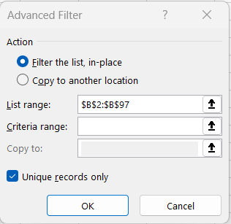
ID | Segment | Country | Date | Profit
1 | Government | Mexico | 2021-06-01 | 108879
2 | Government | France | 2021-10-01 | 165656
22 | Midmarket | Germany | 2021-01-01 | 193122
23 | Small Business | Mexico | 2021-08-01 | 149617
25 | Channel Partners | France | 2021-09-01 | 60921
26 | Enterprise | France | 2021-01-01 | 180969

Unique country
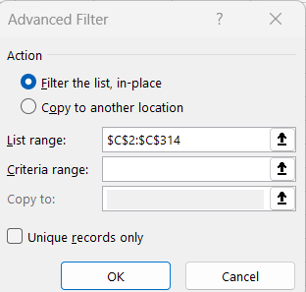
ID | Segment | Country | Date | Profit
1 | Government | Mexico | 2021-06-01 | 108879
2 | Government | France | 2021-10-01 | 165656
4 | Government | Germany | 2021-03-01 | 16452
7 | Government | United States of America | 2021-04-01 | 191293
8 | Government | Canada | 2021-01-01 | 36125
16 | Government | Mexico | 2021-10-01 | -37886

